Job Details

Job Number & Name: | 35895 Bexley
Site Number/Name: | Site 1 - Selbourne Road
Client: | Waterman
Date: | 2023-06-15

Site Plan
Advanced Transport Research |  |  | Job Number & Name: | 35895 Bexley
Site 1 - Selbourne Road |  |  | Date: | 2023-06-15

Job Type: | Pedestrian & Vehicle Count
Co-ordinates: | 51°25'28.83"N, 0° 6'30.33"E | Postcode: | DA14 4QP |  | Times: | 0700-1900

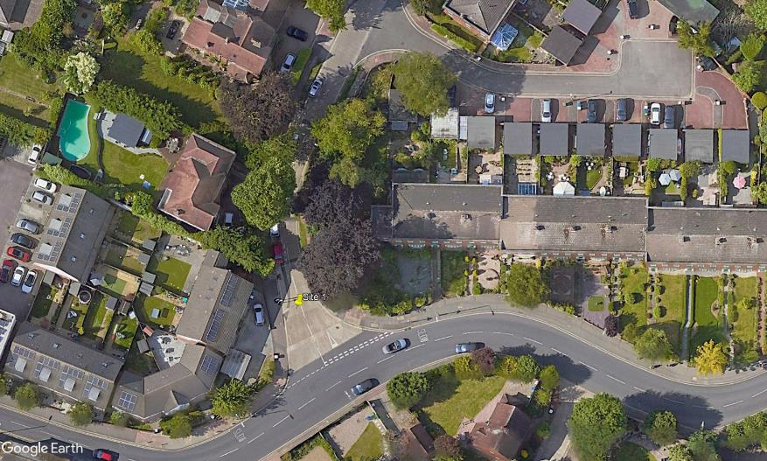
N
Selbourne Road

2
B

1

A

C
D

Rectory Road

